Sheet1
SITE | https://www.anagrama.ro/ | https://crypton.trading/ | https://www.pgs-soft.com/wroclaw/#/ | https://www.hellohooligan.com/ | https://greeeg.com/ | http://www.noquestionsasked.nyc/
EXAMPLE 265x180 |  | 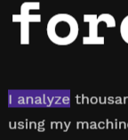 |  | 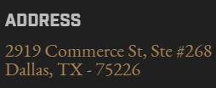 | 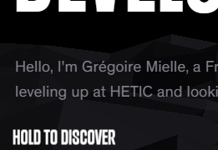 | 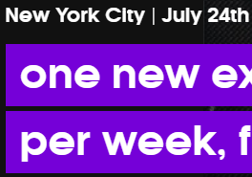
BG COLOR | #18191d | #111111 | #04101e | #202020 | #000000 black | #111111
TITLE 265x180 |   |  | 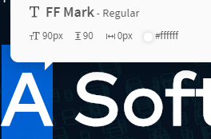 | 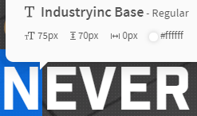 highlight: #0663d2 | 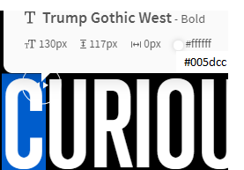 | 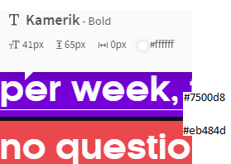
TEXT 250x100 |  | 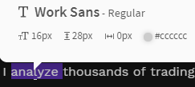 | 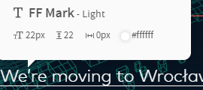 | 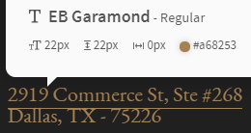 | 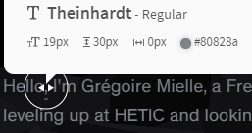 | 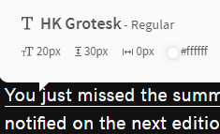
2-TITLE |  |  | 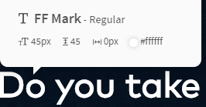 | 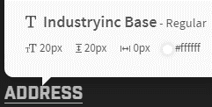 |  | 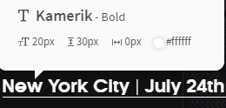
MISC |  | good color: #48278c bad color: #ff2943 | accent color: #ff5a4f hovered accented: #ff7626 | brightest bg: #545454 |  | 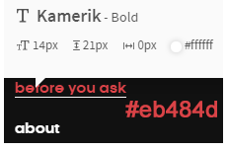
NAV-TEXT |  | 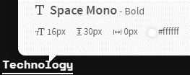 |  |  | 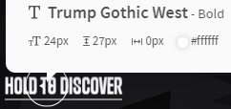 | 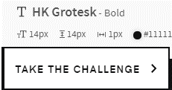
2-TEXT

